New Registration
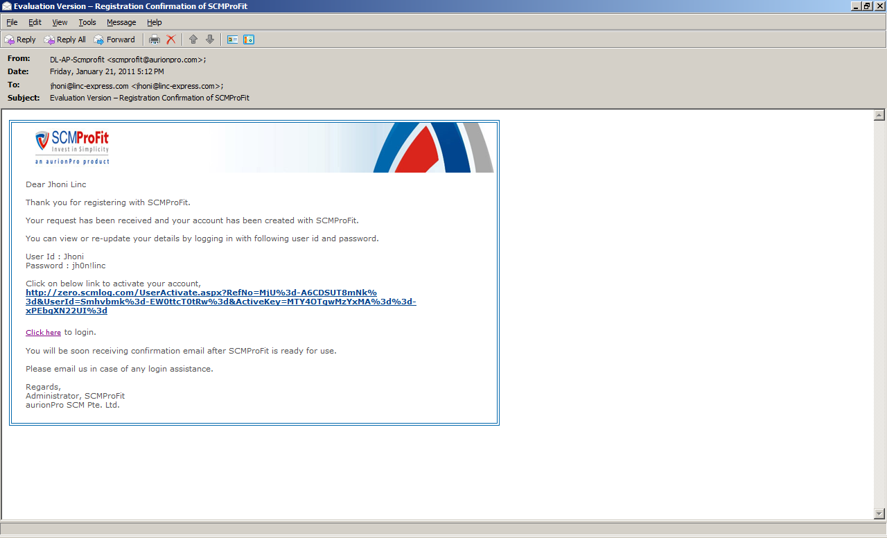
 | Partner Name

 | Masters | Customer | Administration
 | New Registration | Tenant Profile | Welcome Kit | Announcements
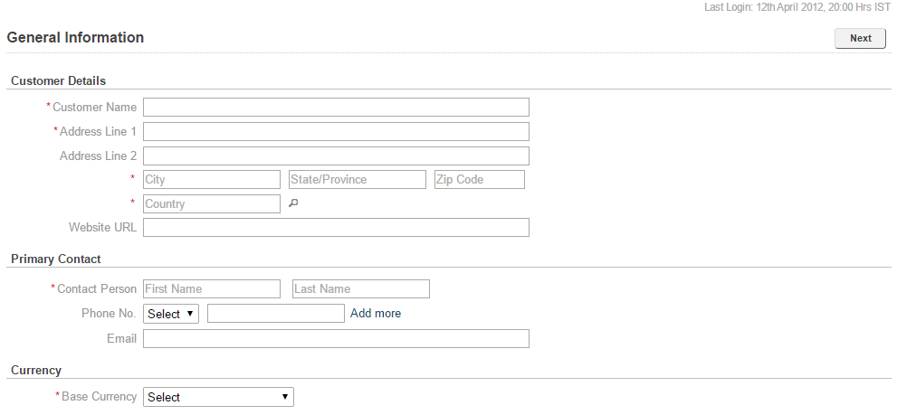
 | Basic Details
 | General Information >>

 | Login Details

 | Subscription Details

 |  | Save
----------------------------------------------------------------------------------------------------------------------------------------------------------------------------------------------------

 | Partner Name

 | Masters | Customer | Administration
 | New Registration | Tenant Profile | Welcome Kit | Announcements

 | Basic Details | Login Info

 | Login Details | User name |  | Check Availibility
 | Login Info >>
 |  | Password
 | Subscription Details
 |  | Confirm Password

 |  | Short Name |  | Check Availibility

 |  | Captcha

 |  | Save

----------------------------------------------------------------------------------------------------------------------------------------------------------------------------------------------------

 | Partner Name

 | Masters | Customer | Administration
 | New Registration | Tenant Profile | Welcome Kit | Announcements

 | Basic Details | Subscription Info

 | Login Details | SAAS / On Premise | SaaS

 | Subscription Details | No. of Named User
 | Subscription Info >>
 |  | Modules | Air Freight |  | Services | Online Training
 |  |  | Sea Freight |  |  | On Site Training
 |  |  | Road Freight |  |  | Additional 5 Days Training
 |  |  | Warehouse |  |  | 24 x 7 - Support
 |  |  | Contract |  |  | Support on Phone
 |  |  | Billing |  |  | No Support

 |  | Save | Submit for Approval

----------------------------------------------------------------------------------------------------------------------------------------------------------------------------------------------------

Notification on Submission for Approval

